Sheet
Bone Predictor

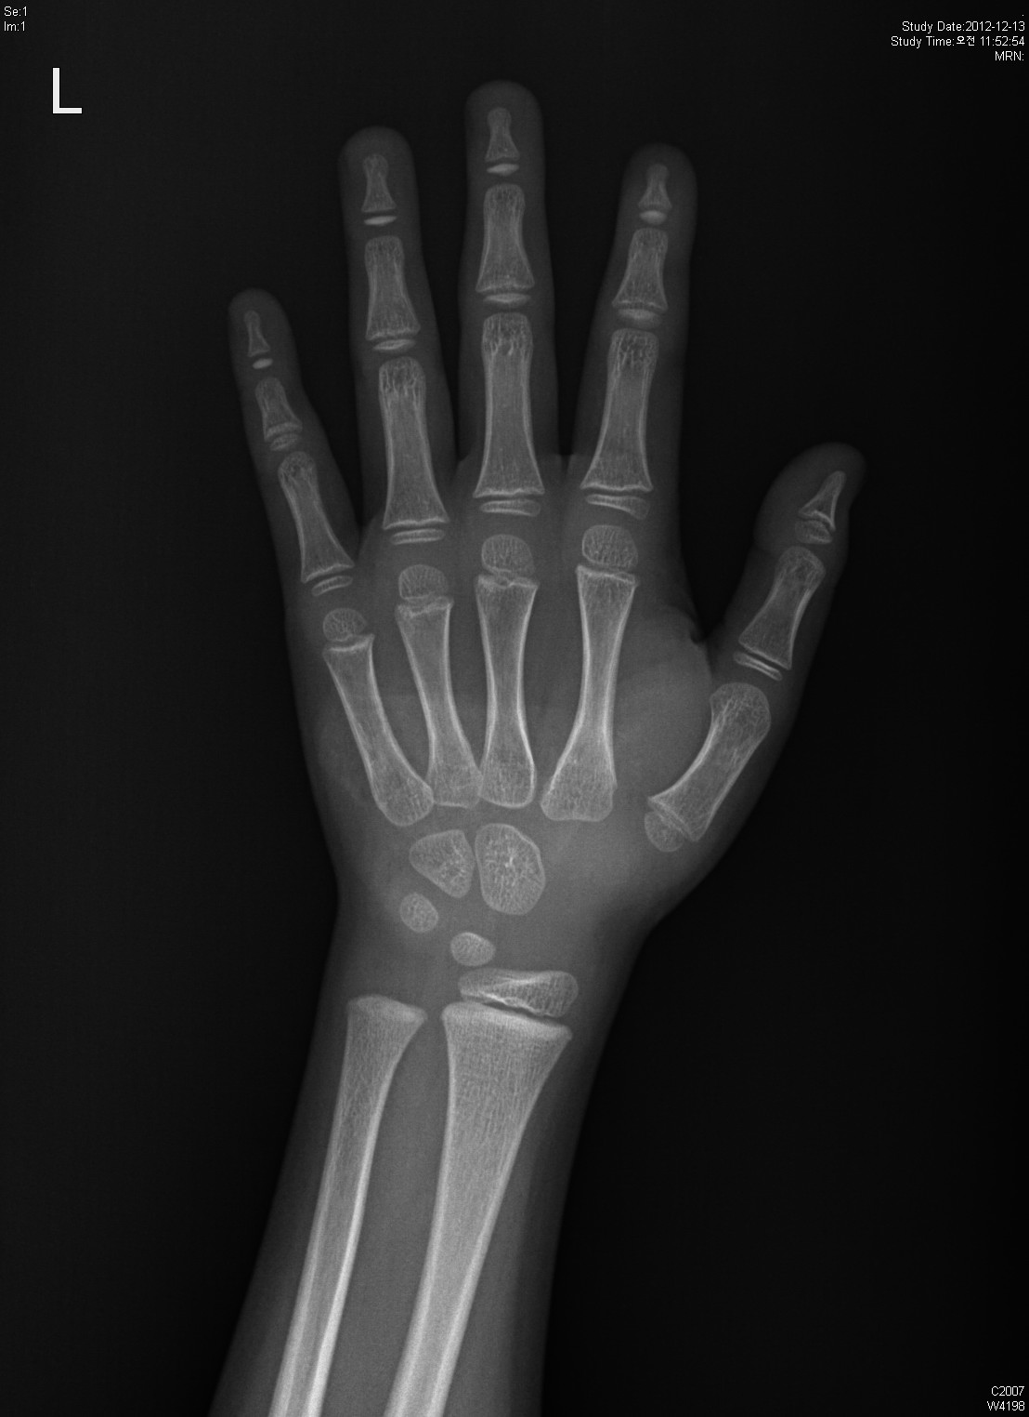
Information

Name : | sophie

Gender : | Female

Age : | 18

Height : | 158

Diagnosis Bone Age

Bone Age : | 24

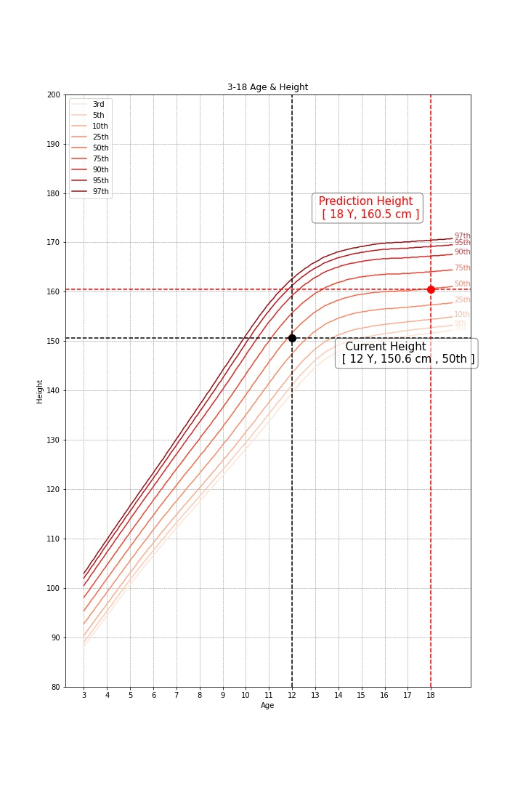

Predicted Height Growth

Current height percentile : |  | 75th

Predicted Height Growth : |  | 180
(based on 18 years old)

